Sheet1
DISTRIBUTION NETWORK DESIGN
MIXED-INTEGER OPTIMIZATION
$$Maximize 15\sum_{j=1}^{2}{Yj∗SPj−\left[\sum_{i=1}^{2}{Xi∗WMi+ \sum_{j=1}^{2}{RMj∗Yj+ \sum_{i=1}^{2}{\sum_{j=1}^{2}{Qij∗SCij}}}}\right]}$$
$$Subject to \sum_{j=1}^{2}{Qij=Spi∗Yi} ∀i=1,2$$
$$\sum_{i=1}^{2}{Qij≤Cj∗Xj ∀j=1,2}$$
$X1, X2 binary, Y1, Y2 integers, Qij≥0$

 | Site1 | Site2 | Unit Cost | $15.00
Sales Forecast Per Month | 1000 | 1500
Monthly Costs | $2,000.00 | $2,500.00 | Shipping Costs

 |  |  |  | CityA | CityB
 | CityA | CityB | Site1 | $5.00 | $8.00
Monthly Payment | $4,000.00 | $5,000.00 | Site2 | $10.00 | $6.00
Capacity | 5000 | 6000

 |  |  | Maximum Profit | 75000
 | CityA | CityB
X | 1 | 1 | 5000 | = | 5000
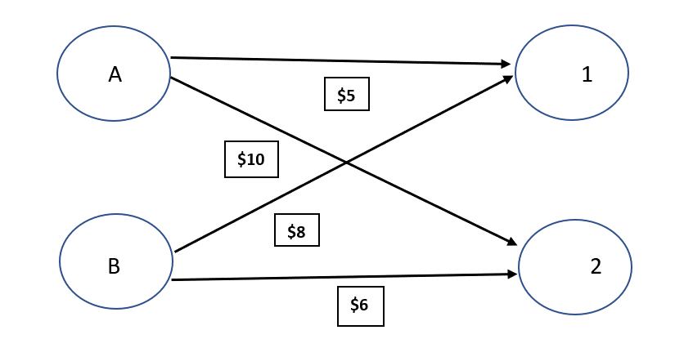
 | Site1 | Site2 | 6000 | = | 6000
Y | 5 | 4 | 5000 | <= | 5000
 | CityA | CityB | 6000 | <= | 6000
Q | 5000 | 0 | 5 | <= | 5
 | 0 | 6000 | 4 | <= | 5

